Sheet1
 | Document No. |  | Issue No. |  | Issue Date |  |  |  | Review and Replace Date |  | Authorised By
 | GFF233MC |  | 6 |  | 02.12.2020 |  |  |  | 04.06.2026 |  | Magda Shah
 | Document Title |  | 45 INDIAN SELECTION 585g
Document amendments reason for change | Film update |  |  |  | Page 1 of 1 |  |  | Previous Issue Date |  | 24.02.2026 | Uncontrolled copy unless signed original

CINSB-B45X4T |  | GAZEBO-BOOKER |  |  |  | 45 INDIAN SELECTION 585g | CHILLED
STEP 1 |  |  |  | STEP 2
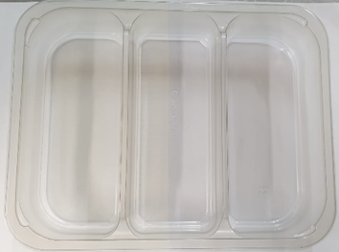 |  |  |  |  |  |  | 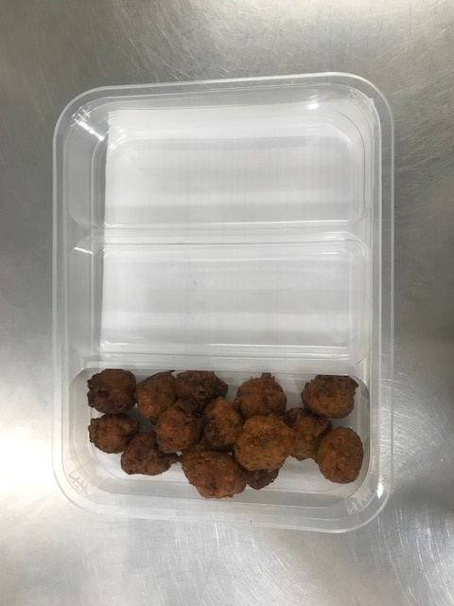

Tray: Tray 3 cavity HW308/60 Transparent (PKESS001-10) |  |  |  |  |  |  | Onion Bhaji Bite 12G (GFF425R): 15 pieces
Film: 25mu Weld Seal Mono PET Film (340mm x 1000lm) (PKCLI001-04)
STEP 3 |  |  |  |  |  |  | STEP 4
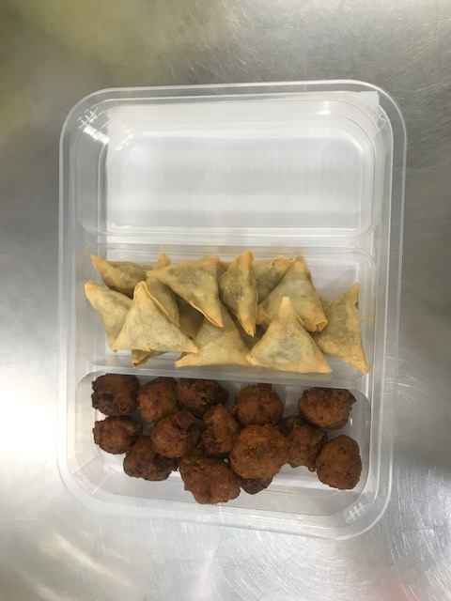 |  |  |  |  |  |  | 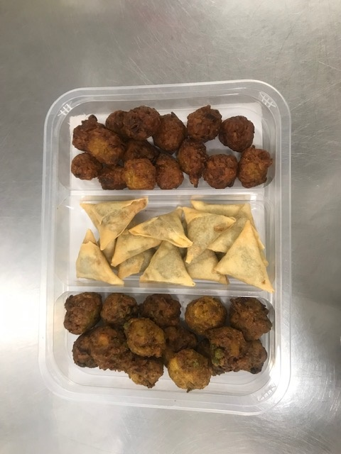

Vegetable Samosa Bite 15G (RMUPB001-02): 15 pieces |  |  |  |  |  |  | Vegetable Pakora Bite 12G (GFF426R): 15 pieces |  |  |  |  | TOTAL WEIGHT: 585G

ALLERGY ALERT: WHEAT

